3 - 97
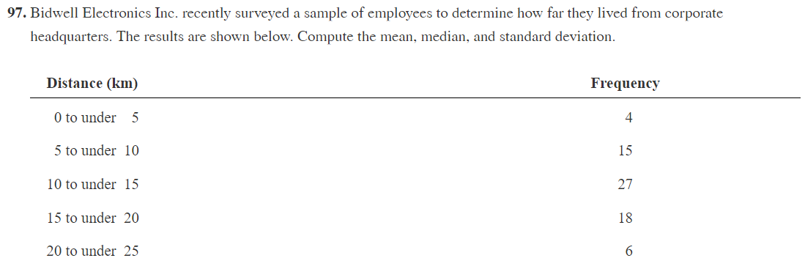

Bound
Lower (Inclusive) | Upper (Exclusive) | Midpoint | Frequency | Relative Freq | Midpoint * Rel Freq | Squared(Midpoint - Mean) * Rel Freq
0 | 5 | 2.5 | 4 | 5.71% | 0.14285714286 | 6.3
5 | 10 | 7.5 | 15 | 21.43% | 1.6071428571 | 6.4821428571
10 | 15 | 12.5 | 27 | 38.57% | 4.8214285714 | 0.096428571429
15 | 20 | 17.5 | 18 | 25.71% | 4.5 | 5.2071428571
20 | 25 | 22.5 | 6 | 8.57% | 1.9285714286 | 7.7357142857
 |  | Total | 70

 |  | Weightead Mean | 13
 |  | Variance | 25.821
 |  | Stand Dev | 5.081
 |  | Median | 12.96

Median |  |  |  | Total | 70.00
Lower (Inclusive) | Upper (Exclusive) | Frequency | Sum Freq | Mid Point Freq | 35.00
0 | 5 | 4 | 4 | Range at Yellow | 5.00
5 | 10 | 15 | 19 | Freq in the Yellow | 16.00
10 | 15 | 27 | 46 | Total in yellow | 27.00
15 | 20 | 18 | 64 | Weighting | 2.96
20 | 25 | 6 | 70 | Summing | 12.96

Boxplot 4
